NID
Note:
"9" represents a numeric value
"A" represents an alphabetical value
National ID (NID) Table

COUNTRY | COUNTRY_CODE | NATIONAL_ID_DESCRIPTION | NATIONAL_ID_FORMAT
Afghanistan | AFG | National ID | 999999999
Albania | ALB | National ID | 999999999
Algeria | DZA | National ID | 999999999
American Samoa | ASM | National ID | 999999999
Andorra | AND | National ID | 999999999
Angola | AGO | National ID | 999999999
Anguilla | AIA | National ID | 999999999
Antarctica | ATA | National ID | 999999999
Antigua and Barbuda | ATG | National ID | 999999999
Argentina | ARG | Payroll | 99.999.999
Argentina | ARG | Unique Workr Identification Cd | 99-99999999-9
Armenia | ARM | National ID | 999999999
Aruba | ABW | National ID | 999999999
Australia | AUS | Tax File Number | 999999999
Austria | AUT | Payroll | 999999999
Azerbaijan | AZE | National ID | 999999999
Bahamas | BHS | National ID | 999999999
Bahrain | BHR | Payroll
Bangladesh | BGD | ID Card Number | 9999999999999
Barbados | BRB | National ID | 999999999
Belarus | BLR | National ID | 999999999
Belgium | BEL | National Register Number | 999999-999-99
Belize | BLZ | National ID | 999999999
Benin | BEN | National ID | 999999999
Bermuda | BMU | National ID | 999999999
Bhutan | BTN | National ID | 99999999999
Bolivia | BOL | National ID | 999999999
Bosnia and Herzegovina | BIH | National ID | 999999999
Botswana | BWA | National ID | 999999999
Bouvet Island | BVT | National ID | 999999999
Brazil | BRA | Payroll | 99.999.999-9
British Indian Ocean Territory | IOT | National ID | 999999999
Brunei Darussalam | BRN | National ID | 999999999
Bulgaria | BGR | Payroll | 999999999
Burkina Faso | BFA | National ID | 999999999
Burundi | BDI | National ID | 999999999
Cambodia | KHM | National ID | 999999999
Cameroon | CMR | National ID | 999999999
Canada | CAN | Social Insurance Number | 999999999
Cape Verde | CPV | National ID | 999999999
Cayman Islands | CYM | National ID | 999999999
Central African Republic | CAF | National ID | 999999999
Chad | TCD | National ID | 999999999
Chile | CHL | Payroll | 9.999.999-9
China | CHN | ID Card Number | 999999999999999999
Christmas Island | CXR | National ID | 999999999
Cocos (Keeling) Islands | CCK | National ID | 999999999
Colombia | COL | Payroll | 99.999.999
Comoros | COM | National ID | 999999999
Congo | COG | National ID
Congo, The Democratic Republic | COD | National ID | 999999999
Cook Islands | COK | National ID | 999999999
Costa Rica | CRI | National ID | 999999999
Cote D'Ivoire | CIV | National ID | 999999999
Croatia | HRV | National ID | 999999999
Cuba | CUB | National ID | 999999999
Cyprus | CYP | National ID | 999999999
Czech Republic | CZE | Payroll | 999999999
Denmark | DNK | Payroll | 9999999999
Djibouti | DJI | National ID | 999999999
Dominica | DMA | National ID | 999999999
Dominican Republic | DOM | Cedula | 999-9999999-9
East Timor | TLS | National ID | 999999999
Ecuador | ECU | National ID | 999999999
Egypt | EGY | National ID | 999999999
El Salvador | SLV | Payroll | 99999999-9
Equatorial Guinea | GNQ | National ID | 999999999
Eritrea | ERI | National ID | 999999999
Estonia | EST | National ID | 999999999
Ethiopia | ETH | National ID | 999999999
Falkland Islands (Malvinas) | FLK | National ID | 999999999
Faroe Islands | FRO | National ID | 999999999
Fiji | FJI | National ID | 999999999
Finland | FIN | Payroll | 999999999
Fmr Yugoslav Rep of Macedonia | MKD | National ID | 999999999
France | FRA | French SSN | 9999999999999
French Guiana | GUF | National ID | 999999999
French Polynesia | PYF | National ID | 999999999
French Southern Territories | ATF | National ID | 999999999
Gabon | GAB | National ID | 999999999
Gambia | GMB | National ID | 999999999
Georgia | GEO | National ID | 999999999
Germany | DEU | Payroll | 999999999
Ghana | GHA | National ID | 999999999
Gibraltar | GIB | National ID | 999999999
Greece | GRC | Payroll | 999999999
Greenland | GRL | National ID | 999999999
Grenada | GRD | National ID | 999999999
Guadeloupe | GLP | National ID | 999999999
Guam | GUM | Social Security Number | 999-99-9999
Guatemala | GTM | National ID | 999999999
Guinea | GIN | National ID | 999999999
Guinea-Bissau | GNB | National ID | 999999999
Guyana | GUY | National ID | 999999999
Haiti | HTI | National ID | 999999999
Heard and McDonald Islands | HMD | National ID | 999999999
Holy See (Vatican City State) | VAT | National ID | 999999999
Honduras | HND | Payroll | 9999-9999-99999
Hong Kong | HKG | HKID | A999999(A)
Hong Kong | HKG | Identification Number | XX999999(X)
Hungary | HUN | Payroll | 999999999
Iceland | ISL | National ID | 999999999
India | IND | Permanent Account Number | AAAAA9999A
Indonesia | IDN | ID Card Number | 9999999999999999
Iran (Islamic Republic Of) | IRN | National ID | 999999999
Iraq | IRQ | National ID | 999999999
Ireland | IRL | Social Security Number | 99999999A
Israel | ISR | Payroll | 999999999
Italy | ITA | Payroll | 999999999
Jamaica | JAM | National ID | 999999999
Japan | JPN | National Pension Number | 9999-999999
Japan | JPN | Base Pension Number | 9999-999999
Jordan | JOR | Payroll | 999999999
Kazakhstan | KAZ | National ID | 999999999
Kenya | KEN | National ID | 999999999
Kiribati | KIR | National ID | 999999999
Korea, Democratic People's Rep | PRK | National ID | 9999999
Korea, Republic of | KOR | ID Card Number | 999999-9999999
Kuwait | KWT | National ID | 999999999
Kyrgyzstan | KGZ | National ID | 999999999
Lao People's Democratic Rep | LAO | National ID | 999999999
Latvia | LVA | National ID | 999999999
Lebanon | LBN | National ID | 999999999
Lesotho | LSO | National ID | 999999999
Liberia | LBR | National ID | 999999999
Libyan Arab Jamahiriya | LBY | National ID | 999999999
Liechtenstein | LIE | National ID | 999999999
Lithuania | LTU | National ID | 999999999
Luxembourg | LUX | Payroll | 999999999
Macao | MAC | National ID | 999999999
Madagascar | MDG | National ID | 999999999
Malawi | MWI | National ID | 999999999
Malaysia | MYS | New Identification Card Number | 999999-99-9999
Maldives | MDV | National ID | 999999999
Mali | MLI | National ID | 999999999
Malta | MLT | National ID | 99999A
Marshall Islands | MHL | National ID | 999999999
Martinique | MTQ | National ID | 999999999
Mauritania | MRT | National ID | 999999999
Mauritius | MUS | Inc Tax Ref | A9999999
Mayotte | MYT | National ID | 999999999
Mexico | MEX | Social Security Number | 999999999
Micronesia, Federated States | FSM | National ID | 999999999
Moldova, Republic of | MDA | National ID | 999999999
Monaco | MCO | National ID | 999999999
Mongolia | MNG | National ID | 99999
Montserrat | MSR | National ID | 999999999
Morocco | MAR | National ID | 999999999
Mozambique | MOZ | National ID | 999999999
Myanmar | MMR | National Registration Card | AAA-999999
Namibia | NAM | National ID | 999999999
Nauru | NRU | National ID | 999999999
Netherlands | NLD | Social Fiscal Number | 999999999
Netherlands Antilles | ANT | National ID | 999999999
New Caledonia | NCL | National ID | 999999999
New Zealand | NZL | Tax File Number | 999999999
Nicaragua | NIC | National ID | 99999999999
Niger | NER | National ID | 999999999
Nigeria | NGA | National ID | 999999999
Niue | NIU | National ID | 999999999
Norfolk Island | NFK | National ID | 999999999
Northern Mariana Islands | MNP | National ID | 999999999
Norway | NOR | Payroll | 999999999
Oman | OMN | National ID | 999999999
Pakistan | PAK | National ID | 999999999
Palau | PLW | National ID | 999999999
Panama | PAN | National ID | 999999999
Papua New Guinea | PNG | National ID | 999999999
Paraguay | PRY | National ID | 999999999
Peru | PER | Payroll | 9999999
Philippines | PHL | ID Card Number | AA999999
Pitcairn | PCN | National ID | 999999999
Poland | POL | Payroll | 999999999
Portugal | PRT | Payroll | 999999999
Puerto Rico | PRI | Payroll | 999-99-9999
Qatar | QAT | National ID | 999999999
Reunion | REU | National ID | 999999999
Romania | ROU | Payroll | 999999999
Russian Federation | RUS | Payroll | 999999999
Rwanda | RWA | National ID | 999999999
Saint Helena | SHN | National ID | 999999999
Saint Kitts and Nevis | KNA | National ID | 999999999
Saint Lucia | LCA | National ID | 999999999
Saint Pierre and Miquelon | SPM | National ID | 999999999
Samoa | WSM | National ID | 999999999
San Marino | SMR | National ID | 999999999
Sao Tome and Principe | STP | National ID | 999999999
Saudi Arabia | SAU | National ID | 999999999
Senegal | SEN | National ID | 999999999
Seychelles | SYC | National ID | 999999999
Sierra Leone | SLE | National ID | 999999999
Singapore | SGP | National Registration ID Card | A9999999Z
Slovakia | SVK | Payroll | 9999999999
Slovenia | SVN | National ID | 999999999
Solomon Islands | SLB | National ID | 999999999
Somalia | SOM | National ID | 999999999
South Africa | ZAF | PR | 9999999999
Spain | ESP | Payroll | 999999999
Sri Lanka | LKA | National ID | 999999999A
St Vincent and the Grenadines | VCT | National ID | 999999999
Sth Georgia & Sth Sandwich Is | SGS | National ID | 999999999
Sudan | SDN | National ID | 999999999
Suriname | SUR | National ID | 999999999
Svalbard and Jan Mayen | SJM | National ID | 999999999
Swaziland | SWZ | National ID | 999999999
Sweden | SWE | Payroll | 999999999
Switzerland | CHE | NNSS | 999.9999.9999.99
Syrian Arab Republic | SYR | National ID | 999999999
Taiwan | TWN | ID Card Number | A999999999
Tajikistan | TJK | National ID | 999999999
Tanzania, United Republic of | TZA | National ID | 999999999
Thailand | THA | ID Card Number | 9 9999 99999 99 9
Thailand | THA | Personal Identification Number | 9999999999999
Togo | TGO | National ID | 999999999
Tokelau | TKL | National ID | 999999999
Tonga | TON | National ID | 999999999
Trinidad and Tobago | TTO | National ID | 999999999
Tunisia | TUN | National ID | 999999999
Turkey | TUR | Payroll | 999999999
Turkmenistan | TKM | National ID | 999999999
Turks and Caicos Islands | TCA | National ID | 999999999
Tuvalu | TUV | National ID | 999999999
Uganda | UGA | National ID | 999999999
Ukraine | UKR | National ID | 999999999
United Arab Emirates | ARE | Payroll | 999999999
United Kingdom | GBR | National Insurance Number | AA999999A
United States | USA | Social Security Number | 999-99-9999
Uruguay | URY | National ID | 999999999
US Minor Outlying Islands | UMI | National ID | 999999999
Uzbekistan | UZB | National ID | 999999999
Vanuatu | VUT | National ID | 999999999
Venezuela | VEN | Payroll | A-9.999.999
Viet Nam | VNM | ID Card Number | 999999999
Virgin Islands (British) | VGB | National ID | 999999999
Virgin Islands (U.S.) | VIR | Payroll | 9999999999999
Wallis and Futuna Islands | WLF | National ID | 999999999
Western Sahara | ESH | National ID | 999999999
Yemen | YEM | National ID | 999999999
Yugoslavia | YUG | National ID | 999999999
Zambia | ZMB | National ID | 999999999
Zimbabwe | ZWE | National ID | 999999999

How to fill out the form
All fields highlighted in yellow are mandatory on this form
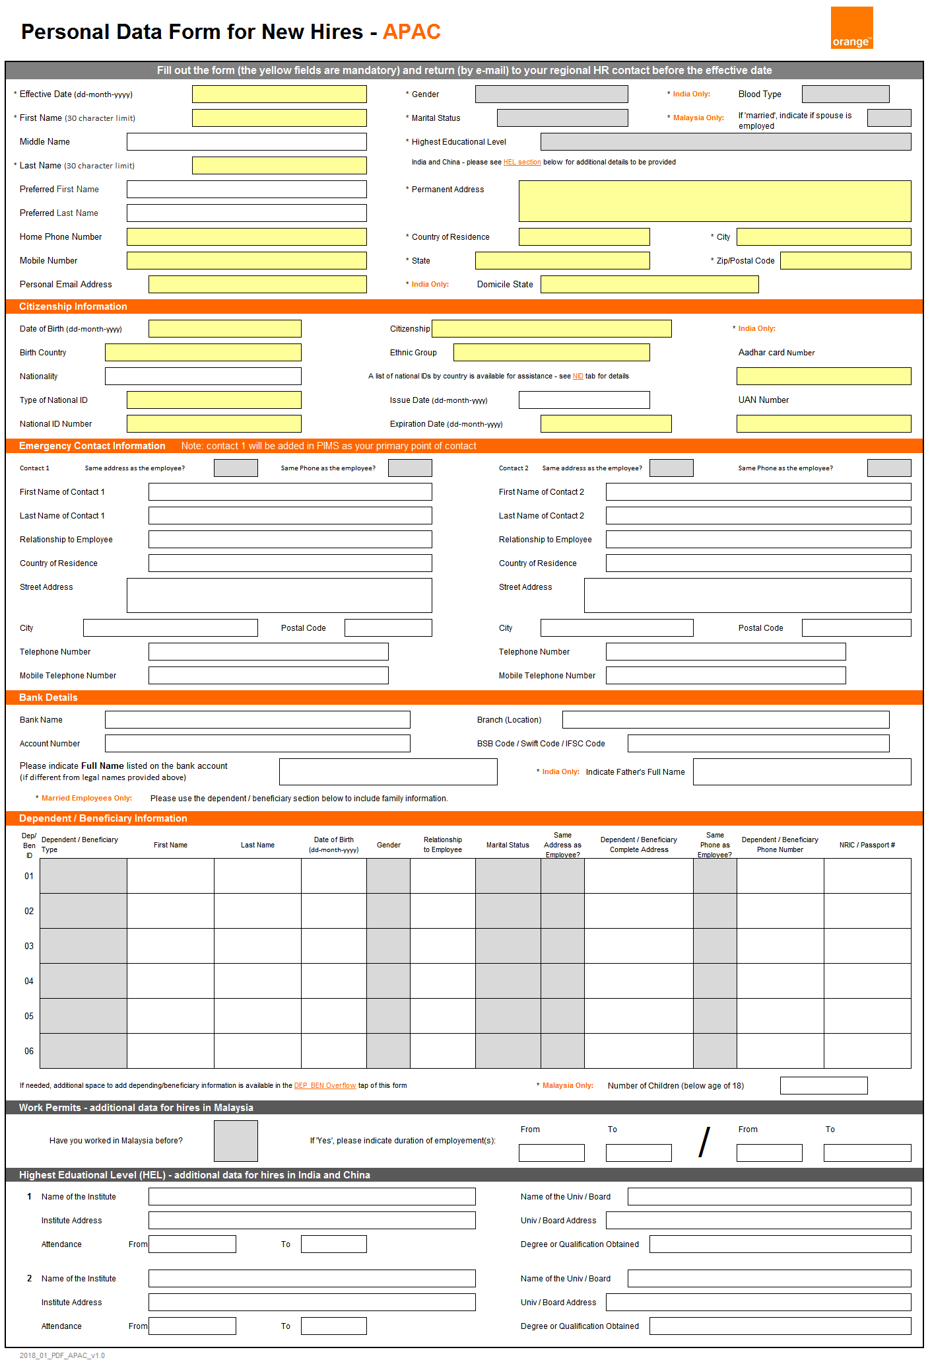

In this form, there are country specific details to be filled in based on the country designation. Applicants should ensure to fill them those details when applicable.

In this section, applicants can include a preferred name that is different than their legal name (like a nick name) that the company system will use to create the new hire email account.

In this portion of the form, applicants need to include their permanent address (complete address) to ensure company related correspondence is sent to the correct location.

In this section, applicants can provide their national identification number. The NID is a unique alpha/numeric identifier that differs base on the country of origin. Applicants can review the national ID type per country in the NID tab of this form.

In this section, applicants can provide up to 2 emergency contacts details. It is important to provide this information to ensure the company has the ability to reach someone in case of an emergency!

In this section, applicants can indicate their bank details as well as the family information...

In this section, applicants can add dependent and or benefitiary information as well all the details needed.
If you need to include additional dependents/benefitiaries details, use the 'DEP_BEN_Overflow' tab in this form!

In this section, applicants in Malaysia can add work permit details...

In this section, applicants for India and China can include the additional educational details collected during the hiring process.

